Sheet1
 | Document No. |  | Issue No. | Issue Date |  | Review and Replace Date |  | Authorised By
 | GFF321MC |  | 2 | 21.09.2021 |  | 28.12.2021
 | Document Title |  | Katsu Chicken with Katsu Dip 180g
 |  |  |  |  |  |  |  | Magda Shah
Document amendments reason for change | Film Updated |  | Page 1 of 1 |  | Previous Issue Date |  | 21.09.2021 | Uncontrolled copy unless signed original

FCKATB-1R20TDO |  | DONALD RUSSEL |  | Katsu Chicken with Katsu Dip 180g | FROZEN

  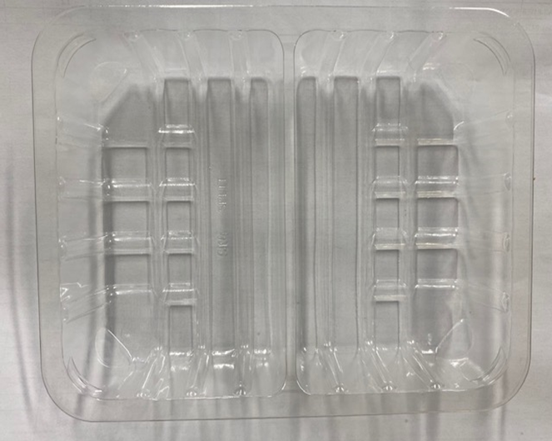 |  |  | 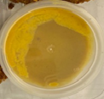 |  |  |  | 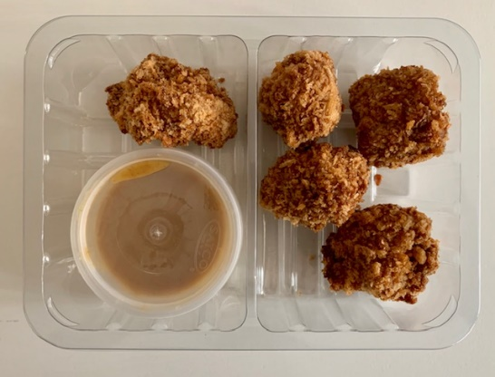

AFTER PACKING PRODUCT NEED TO BE SEND TO DISPATCH BLAST FREEZER

 |  |  | Katsu Curry Dip (GFF330R): 40g |  |  |  | Katsu Chicken Bites (GFF329R): 140g

Tray: SK4 Split Clear (PKESS001-06)
Film: ME300AFV2, 300mmx 1000m (PKPRO001-16) |  |  | Satco 2oz Pots with Lids (PKJEN001-03) |  |  |  | *Minimum 5 pieces |  | 180g
ALLERGY ALERT: Mustard, Soya, Wheat

